Road
 |  |  | Anfavea - Vehicle fleet estimate – 2000/2023
use type share from Brazil eps.v2.1.1 |  |  | Year | fuel | 2000 | 2001 | 2002 | 2003 | 2004 | 2005 | 2006 | 2007 | 2008 | 2009 | 2010 | 2011 | 2012 | 2013 | 2014 | 2015 | 2016 | 2017 | 2018 | 2019 | 2020 | 2021 | 2022 | 2023
Auto Gasoline C | 6,811,796 |  | Cars | column B | 17,080,185 | 17,797,010 | 18,399,233 | 18,865,467 | 19,482,685 | 20,217,943 | 21,119,730 | 22,445,951 | 23,997,349 | 25,817,430 | 27,812,726 | 29,811,473 | 31,977,005 | 34,017,474 | 35,756,646 | 36,765,902 | 37,279,361 | 37,897,466 | 38,696,561 | 39,591,508 | 39,778,682 | 39,847,584 | 39,877,781 | 39,986,756
Auto Ethanol | 429,459 |  | Light Commercials | column B | 2,407,213 | 2,477,909 | 2,524,782 | 2,563,396 | 2,650,100 | 2,683,562 | 2,730,862 | 2,828,880 | 2,995,656 | 3,191,911 | 3,488,885 | 3,829,976 | 4,157,310 | 4,494,613 | 4,819,888 | 4,952,192 | 5,014,338 | 5,081,835 | 5,189,101 | 5,312,974 | 5,359,939 | 5,474,494 | 5,543,758 | 5,673,170
Auto flex | 32,350,254 |  | Trucks | diesel | 1,147,694 | 1,176,469 | 1,197,240 | 1,218,776 | 1,256,857 | 1,287,577 | 1,313,716 | 1,361,254 | 1,430,763 | 1,485,972 | 1,586,828 | 1,699,893 | 1,776,541 | 1,866,099 | 1,935,681 | 1,938,387 | 1,919,552 | 1,901,896 | 1,907,813 | 1,938,009 | 1,955,356 | 2,010,211 | 2,061,128 | 2,090,721
Auto Hybrid | 0 |  | Buses | diesel | 224,807 | 232,399 | 239,517 | 246,952 | 253,648 | 258,335 | 266,919 | 278,555 | 293,736 | 304,162 | 319,929 | 341,386 | 356,472 | 375,206 | 387,978 | 389,629 | 385,311 | 381,275 | 380,223 | 384,616 | 381,622 | 378,410 | 378,143 | 381,138
 |  |  | Total |  | 20,859,900 | 21,683,787 | 22,360,771 | 22,894,592 | 23,643,290 | 24,447,417 | 25,431,227 | 26,914,641 | 28,717,504 | 30,799,475 | 33,208,366 | 35,682,727 | 38,267,328 | 40,753,392 | 42,900,192 | 44,046,110 | 44,598,562 | 45,262,473 | 46,173,698 | 47,227,107 | 47,475,599 | 47,710,700 | 47,860,810 | 48,131,785
Com. Light Gasoline C | 1,098,780 |  | motorcycles |  | - | - | - | - | - | - | - | - | - | - | - | - | 20,080,862 | 21,597,415 | 23,027,875 | 24,301,681 | 25,302,727 | 26,159,702 | 27,100,790 | 28,179,083 | 29,094,771 | 30,252,296 | 31,614,827 | -
Com. Light Ethanol | 24,190 |  | Abraciclo - Frota de Motocicletas/Similares (2012 - 2022)
Com. Light Flex | 2,572,784
Com. Light Diesel | 1,617,220

City Bus Diesel | 260,082
Micro diesel | 86,705
Bus Rodo Diesel | 37,829

Gasoline motorcycle C | 18,522,457
Moto Flex | 9,656,626

Trucks | 1,938,009

page 215
Figure 94 - Evolution of the Current Fleet
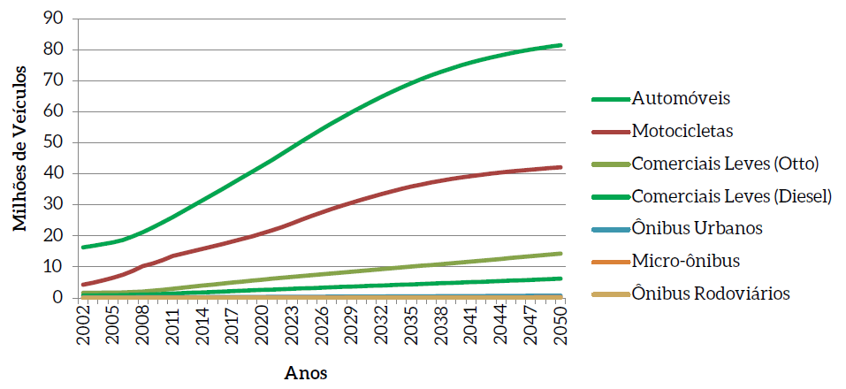

 |  |  |  |  |  |  |  | translation
 |  |  |  |  |  |  |  | Automobiles
 |  |  |  |  |  |  |  | Motorcycles
 |  |  |  |  |  |  |  | Trucks (Otto)
 |  |  |  |  |  |  |  | Light Trucks (Diesel)
 |  |  |  |  |  |  |  | City Buses
 |  |  |  |  |  |  |  | Micro bus
 |  |  |  |  |  |  |  | Buses

The table below is from the excel file that generated the results for transportation sector.
Evolution of the current fleet
Vehicle type | 2015 | 2016 | 2017 | 2018 | 2019 |  | 2020 | 2021 | 2022 | 2023 | 2024 | 2025 | 2026 | 2027 | 2028 | 2029 | 2030 | 2031 | 2032 | 2033 | 2034 | 2035 | 2036 | 2037 | 2038 | 2039 | 2040 | 2041 | 2042 | 2043 | 2044 | 2045 | 2046 | 2047 | 2048 | 2049 | 2050
Auto Gasoline C | 9,176,827 | 8,602,111 | 8,060,405 | 7,555,614 | 7,090,467 | 17% | 6,659,847 | 6,264,627 | 5,903,937 | 5,576,243 | 5,279,443 | 5,007,234 | 4,757,453 | 4,527,604 | 4,315,309 | 4,118,093 | 3,942,099 | 3,785,673 | 3,647,016 | 3,524,675 | 3,416,808 | 3,321,062 | 3,237,086 | 3,163,680 | 3,099,030 | 3,043,096 | 2,994,337 | 2,951,905 | 2,915,027 | 2,883,280 | 2,855,884 | 2,832,021 | 2,811,054 | 2,793,298 | 2,778,501 | 2,765,488 | 2,753,804
Auto Ethanol | 720,412 | 641,135 | 569,505 | 504,982 | 447,028 | 1% | 395,120 | 348,737 | 307,401 | 270,643 | 238,019 | 209,127 | 183,579 | 161,025 | 141,146 | 123,640 | 108,247 | 94,724 | 82,856 | 72,444 | 63,323 | 55,326 | 47,691 | 41,294 | 35,462 | 29,452 | 24,296 | 19,585 | 15,355 | 12,313 | 9,366 | 7,202 | 6,089 | 4,951 | 3,858 | 2,724 | 2,044
Auto flex | 23,446,807 | 26,002,358 | 28,563,887 | 31,123,154 | 33,673,707 | 82% | 36,198,934 | 38,712,655 | 41,212,750 | 43,698,334 | 46,169,461 | 48,532,763 | 50,792,003 | 52,947,646 | 55,000,674 | 56,952,544 | 58,820,212 | 60,421,909 | 61,756,655 | 62,824,354 | 63,625,900 | 64,131,077 | 64,347,142 | 64,282,377 | 63,946,308 | 63,349,640 | 62,479,311 | 61,348,012 | 59,969,114 | 58,356,520 | 56,524,455 | 54,487,260 | 52,259,202 | 49,854,284 | 47,286,129 | 44,567,831 | 41,937,022
Auto Hybrid | 0 | 0 | 0 | 0 | 0 | 0% | 18,571 | 57,168 | 117,226 | 200,136 | 307,229 | 436,719 | 588,796 | 763,412 | 960,369 | 1,179,326 | 1,396,461 | 1,797,617 | 2,385,751 | 3,163,335 | 4,132,223 | 5,282,474 | 6,610,961 | 8,113,576 | 9,785,218 | 11,619,840 | 13,610,538 | 15,749,717 | 18,029,182 | 20,440,360 | 22,974,473 | 25,622,732 | 28,376,478 | 31,227,309 | 34,167,174 | 37,188,457 | 40,084,170
Auto Plug-in Flex | 0 | 0 | 0 | 0 | 0 | 0% | 0 | 0 | 0 | 0 | 0 | 0 | 0 | 0 | 0 | 0 | 0 | 0 | 0 | 0 | 0 | 0 | 0 | 0 | 0 | 0 | 0 | 0 | 0 | 0 | 0 | 0 | 0 | 0 | 0 | 0 | 0
Auto Battery | 0 | 0 | 0 | 0 | 0 | 0% | 0 | 0 | 0 | 0 | 0 | 0 | 0 | 0 | 0 | 0 | 0 | 0 | 0 | 0 | 0 | 0 | 0 | 0 | 0 | 0 | 24,839 | 74,551 | 149,111 | 248,416 | 372,250 | 520,279 | 692,021 | 886,846 | 1,103,985 | 1,342,534 | 1,576,158
Com. Light Gasoline C | 1,539,523 | 1,570,175 | 1,603,295 | 1,638,676 | 1,676,158 | 21% | 1,715,531 | 1,757,101 | 1,800,679 | 1,846,135 | 1,893,321 | 1,942,115 | 1,992,676 | 2,044,891 | 2,098,622 | 2,153,769 | 2,210,250 | 2,268,154 | 2,327,396 | 2,387,939 | 2,449,599 | 2,512,302 | 2,576,104 | 2,640,938 | 2,706,673 | 2,773,251 | 2,840,585 | 2,908,662 | 2,977,403 | 3,046,767 | 3,116,692 | 3,187,083 | 3,257,893 | 3,329,143 | 3,400,810 | 3,472,798 | 3,545,065
Com. Light Ethanol | 61,615 | 54,327 | 47,825 | 42,035 | 36,901 | 0% | 32,350 | 28,329 | 24,788 | 21,665 | 18,924 | 16,517 | 14,405 | 12,562 | 10,945 | 9,533 | 8,301 | 7,221 | 6,288 | 5,473 | 4,755 | 4,136 | 3,576 | 3,097 | 2,660 | 2,251 | 1,865 | 1,516 | 1,200 | 937 | 700 | 527 | 443 | 353 | 259 | 172 | 113
Com. Light Flex | 2,698,752 | 3,013,519 | 3,323,498 | 3,627,527 | 3,924,712 | 48% | 4,214,436 | 4,497,906 | 4,774,981 | 5,045,689 | 5,310,223 | 5,568,878 | 5,822,949 | 6,072,855 | 6,319,026 | 6,561,889 | 6,801,856 | 7,039,934 | 7,276,466 | 7,511,767 | 7,746,114 | 7,979,733 | 8,213,172 | 8,446,591 | 8,680,127 | 8,913,872 | 9,147,903 | 9,382,445 | 9,617,525 | 9,853,178 | 10,089,396 | 10,326,174 | 10,563,522 | 10,801,410 | 11,039,816 | 11,278,718 | 11,518,082
Com. Light Diesel | 1,934,217 | 2,067,042 | 2,200,328 | 2,333,762 | 2,467,025 | 30% | 2,599,827 | 2,732,746 | 2,865,481 | 2,997,779 | 3,129,415 | 3,260,214 | 3,390,568 | 3,520,364 | 3,649,584 | 3,778,210 | 3,906,270 | 4,034,168 | 4,161,953 | 4,289,700 | 4,417,487 | 4,545,374 | 4,673,615 | 4,802,265 | 4,931,370 | 5,060,977 | 5,191,085 | 5,321,805 | 5,453,124 | 5,585,039 | 5,717,512 | 5,850,543 | 5,984,112 | 6,118,189 | 6,252,750 | 6,387,731 | 6,523,118
Gasoline motorcycle C | 12,482,321 | 12,645,960 | 12,850,190 | 13,100,102 | 13,391,814 | 66% | 13,736,398 | 14,144,966 | 14,619,920 | 15,162,582 | 15,770,843 | 16,363,125 | 16,940,542 | 17,502,185 | 18,047,325 | 18,575,330 | 19,085,636 | 19,579,373 | 20,056,473 | 20,516,901 | 20,961,229 | 21,371,717 | 21,750,860 | 22,101,096 | 22,424,440 | 22,723,095 | 22,999,004 | 23,253,914 | 23,489,353 | 23,706,777 | 23,907,812 | 24,093,736 | 24,266,068 | 24,426,137 | 24,575,063 | 24,713,796 | 24,843,037
Moto Flex | 4,153,411 | 4,841,656 | 5,541,312 | 6,254,555 | 6,981,781 | 34% | 7,719,145 | 8,477,747 | 9,253,167 | 10,050,012 | 10,870,142 | 11,646,793 | 12,383,881 | 13,083,320 | 13,746,885 | 14,376,209 | 14,972,752 | 15,539,266 | 16,077,274 | 16,588,218 | 17,073,815 | 17,520,026 | 17,930,167 | 18,307,135 | 18,653,588 | 18,971,973 | 19,264,507 | 19,533,391 | 19,780,572 | 20,007,842 | 20,216,925 | 20,409,400 | 20,586,849 | 20,750,717 | 20,902,283 | 21,042,711 | 21,173,057
City Bus Diesel | 276,414 | 287,249 | 298,421 | 309,908 | 321,683 | 68% | 333,720 | 346,080 | 358,727 | 371,634 | 384,755 | 398,073 | 411,609 | 425,325 | 439,198 | 453,196 | 467,314 | 481,565 | 495,942 | 510,428 | 525,030 | 539,738 | 554,562 | 569,513 | 584,584 | 599,765 | 615,052 | 630,453 | 645,956 | 661,562 | 677,264 | 693,066 | 708,961 | 724,918 | 740,970 | 757,099 | 773,296
Micro diesel | 93,900 | 97,322 | 100,695 | 103,999 | 107,242 | 23% | 110,422 | 113,562 | 116,669 | 119,749 | 122,813 | 125,867 | 128,942 | 132,041 | 135,175 | 138,356 | 141,591 | 144,897 | 148,277 | 151,734 | 155,278 | 158,901 | 162,606 | 166,408 | 170,286 | 174,241 | 178,277 | 182,385 | 186,556 | 190,791 | 195,090 | 199,440 | 203,834 | 208,276 | 212,762 | 217,282 | 221,833
Bus Rodo Diesel | 40,214 | 41,813 | 43,442 | 45,107 | 46,789 | 10% | 48,505 | 50,249 | 52,031 | 53,836 | 55,662 | 57,520 | 59,402 | 61,311 | 63,238 | 65,190 | 67,162 | 69,157 | 71,167 | 73,202 | 75,249 | 77,330 | 79,419 | 81,538 | 83,666 | 85,821 | 87,988 | 90,180 | 92,382 | 94,606 | 96,844 | 99,095 | 101,356 | 103,634 | 105,923 | 108,228 | 110,541

Total | 56,624,413 | 59,864,667 | 63,202,803 | 66,639,421 | 70,165,307 |  | 73,782,806 | 77,531,873 | 81,407,757 | 85,414,437 | 89,550,250 | 93,564,945 | 97,466,805 | 101,254,541 | 104,927,496 | 108,485,285 | 111,928,151 | 115,263,658 | 118,493,514 | 121,620,170 | 124,646,810 | 127,499,196 | 130,186,961 | 132,719,508 | 135,103,412 | 137,347,274 | 139,459,587 | 141,448,521 | 143,321,860 | 145,088,388 | 146,754,663 | 148,328,558 | 149,817,882 | 151,229,465 | 152,570,283 | 153,845,569 | 155,061,340
Automobiles | 33,344,046 | 35,245,604 | 37,193,797 | 39,183,750 | 41,211,202 | 41,211,202 | 43,272,472 | 45,383,187 | 47,541,314 | 49,745,356 | 51,994,152 | 54,185,843 | 56,321,831 | 58,399,687 | 60,417,498 | 62,373,603 | 64,267,019 | 66,099,923 | 67,872,278 | 69,584,808 | 71,238,254 | 72,789,939 | 74,242,880 | 75,600,927 | 76,866,018 | 78,042,028 | 79,133,321 | 80,143,770 | 81,077,789 | 81,940,889 | 82,736,428 | 83,469,494 | 84,144,844 | 84,766,688 | 85,339,647 | 85,867,034 | 86,353,198
Motorcycles | 16,635,732 | 17,487,616 | 18,391,502 | 19,354,657 | 20,373,595 | 20,373,595 | 21,455,543 | 22,622,713 | 23,873,087 | 25,212,594 | 26,640,985 | 28,009,918 | 29,324,423 | 30,585,505 | 31,794,210 | 32,951,539 | 34,058,388 | 35,118,639 | 36,133,747 | 37,105,119 | 38,035,044 | 38,891,743 | 39,681,027 | 40,408,231 | 41,078,028 | 41,695,068 | 42,263,511 | 42,787,305 | 43,269,925 | 43,714,619 | 44,124,737 | 44,503,136 | 44,852,917 | 45,176,854 | 45,477,346 | 45,756,507 | 46,016,094
Trucks (Otto) | 4,299,890 | 4,638,021 | 4,974,618 | 5,308,238 | 5,637,771 |  | 5,962,317 | 6,283,336 | 6,600,448 | 6,913,489 | 7,222,468 | 7,527,510 | 7,830,030 | 8,130,308 | 8,428,593 | 8,725,191 | 9,020,407 | 9,315,309 | 9,610,150 | 9,905,179 | 10,200,468 | 10,496,171 | 10,792,852 | 11,090,626 | 11,389,460 | 11,689,374 | 11,990,353 | 12,292,623 | 12,596,128 | 12,900,882 | 13,206,788 | 13,513,784 | 13,821,858 | 14,130,906 | 14,440,885 | 14,751,688 | 15,063,260
Light Trucks (Diesel) | 1,934,217 | 2,067,042 | 2,200,328 | 2,333,762 | 2,467,025 | 8,104,796 | 2,599,827 | 2,732,746 | 2,865,481 | 2,997,779 | 3,129,415 | 3,260,214 | 3,390,568 | 3,520,364 | 3,649,584 | 3,778,210 | 3,906,270 | 4,034,168 | 4,161,953 | 4,289,700 | 4,417,487 | 4,545,374 | 4,673,615 | 4,802,265 | 4,931,370 | 5,060,977 | 5,191,085 | 5,321,805 | 5,453,124 | 5,585,039 | 5,717,512 | 5,850,543 | 5,984,112 | 6,118,189 | 6,252,750 | 6,387,731 | 6,523,118
City Buses | 276,414 | 287,249 | 298,421 | 309,908 | 321,683 | 475,714 | 333,720 | 346,080 | 358,727 | 371,634 | 384,755 | 398,073 | 411,609 | 425,325 | 439,198 | 453,196 | 467,314 | 481,565 | 495,942 | 510,428 | 525,030 | 539,738 | 554,562 | 569,513 | 584,584 | 599,765 | 615,052 | 630,453 | 645,956 | 661,562 | 677,264 | 693,066 | 708,961 | 724,918 | 740,970 | 757,099 | 773,296
Micro bus | 93,900 | 97,322 | 100,695 | 103,999 | 107,242 |  | 110,422 | 113,562 | 116,669 | 119,749 | 122,813 | 125,867 | 128,942 | 132,041 | 135,175 | 138,356 | 141,591 | 144,897 | 148,277 | 151,734 | 155,278 | 158,901 | 162,606 | 166,408 | 170,286 | 174,241 | 178,277 | 182,385 | 186,556 | 190,791 | 195,090 | 199,440 | 203,834 | 208,276 | 212,762 | 217,282 | 221,833
Buses | 40,214 | 41,813 | 43,442 | 45,107 | 46,789 |  | 48,505 | 50,249 | 52,031 | 53,836 | 55,662 | 57,520 | 59,402 | 61,311 | 63,238 | 65,190 | 67,162 | 69,157 | 71,167 | 73,202 | 75,249 | 77,330 | 79,419 | 81,538 | 83,666 | 85,821 | 87,988 | 90,180 | 92,382 | 94,606 | 96,844 | 99,095 | 101,356 | 103,634 | 105,923 | 108,228 | 110,541

Rail
PASSENGER
As in Brazil EPS 2.1.1, we assumed the rail-metro system, values for 2019, once MOP doesn't provide this reference.
https://anptrilhos.org.br/wp-content/uploads/2020/05/anptrilhos-balanco-1tri2020.pdf
pg 7 | Wagons | 5269
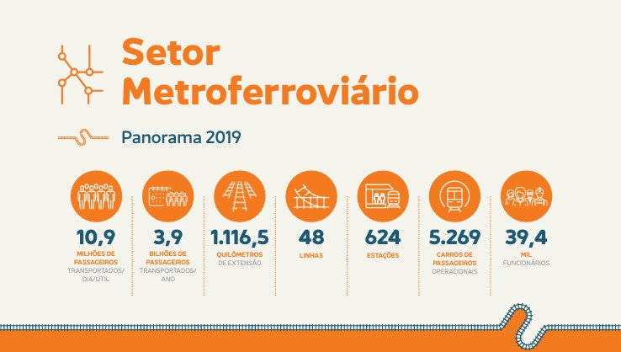

FREIGHT
ANTT | Tabela 1.3.3.1 - Desempenho da Frota Total de Vagões, no Transporte Ferroviário de Cargas, por Quantidade de Vagão em Circulação (RMS, 2006 a 2023)
 | total number of wagons in operation in 2019 | 98,013
VALE - Estrada de Ferro Carajás | EFC | 20,796
Estrada de Ferro Paraná Oeste | EFPO | 521
VALE - Estrada de Ferro Vitória a Minas | EFVM | 18,458
Ferrovia Centro-Atlântica | FCA | 11,680
Ferrovia Norte Sul Tramo Central | FNSTC | 0 | no data
Ferrovia Norte Sul Tramo Norte | FNSTN | 633
Ferrovia Tereza Cristina S.A | FTC | 469
Ferrovia Transnordestina Logística | FTL | 1,869
MRS Logística | MRS | 20,979
Rumo Malha Central | RMC | 0 | started ops in 2021
Rumo Malha Norte | RMN | 8,503
Rumo Malha Oeste | RMO | 947
Rumo Malha Paulista | RMP | 3,754
Rumo Malha Sul | RMS | 9,404

